EQ Template
STG Customer's Name |  | Eberspaecher, DE, Landau (Eberspächer Controls Landau GmbH& Co.KG) | Issued by | Le Yang
STG Customer's P/N |  | 95211 PAG BMS12V_V04.01.02 | Factory P/N | JB6C051TB0
STG P/N |  | 06R005908.D00 | Date | 2023-11-03 08:56:55

Customer Engineering Approval

Choosen Base Material |  | SY S1000-2M | Choosen Solder Mask | Yeyo YSR-900 G01/Glossy green
Via Plugging type |  | Plug the vias with soldermask ink | Delivery Panel Size(mm*mm) | 264*158

No | Description of the Problem/picture | Suggestion/Proposal | Customer Response | EQ Status
1 | 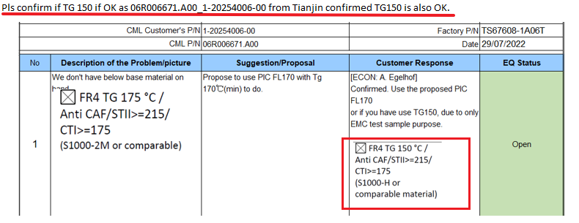 We are not sure if Tg150 is also confirmed for this project mentioned in Readme file, but it require TG 175 °C defined in spec file same as previous version. | Please help to double check and confirm we need to follow previous version to use Shengyi S1000-2M. | STG DE MAG: confirmed
2 | Due to company name update, we propose to change the Logo from “CML-G” to “ST-G” of UL marking. | What’s more, in order to save the EQ time in the future, for all subsequent change notice of this customer Eberspaecher, we will just change our company Logo name of UL marking from “CML-G” to “ST-G” directly by ourselves. Please help to check and confirm our proposals. | STG DE MAG: confirmed
3 | We did not receive the mechanical PCB drawing in the data package. | Please help to providde it to us, or confirm we can use the previous drawing to build. | use the previous one. attatched in mail you can find the drawing as well for double check.
4 | As below picture shown, we found the revision of customer part number is different between spec file/gerber and ECN document (the 3rd picture). | Kindly help to double check and confirm which is correct, and we can ignore the difference and just follow gerber to build. | follow Gerber build.
5 | Due to the outer base copper changed from 1oz(35um) to 0.5oz(17.5um), we need to adjust the stack-up to meet the final board thickness. | 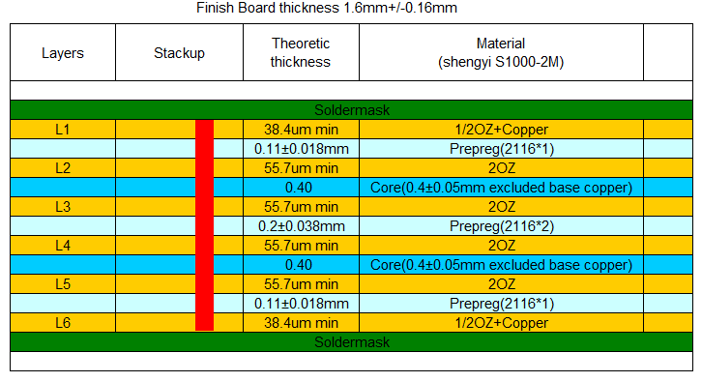 Please check our proposed stack-up and help to confirm. | confirm
6 | There are some questions same as previous version. | In order to save EQ time, we propose to follow previous version's EQ to deal with this new revision. Please confirm. | confirm
Date |  |  | Customer's Signature
3-Nov-2023 |  |  | Eberspächer: A. Egelhof STG de MaG
Note: * Info for report and CEA: Green marked means customer was informed and the information has to add in the report page Customer Engineering Approval. only keep the Green marked EQ and print as CEA Add EQ status, if factory clarify 2nd EQ, must choose the correct EQ status with "Closed", "Open", "New"

